Ethics Matters Tool
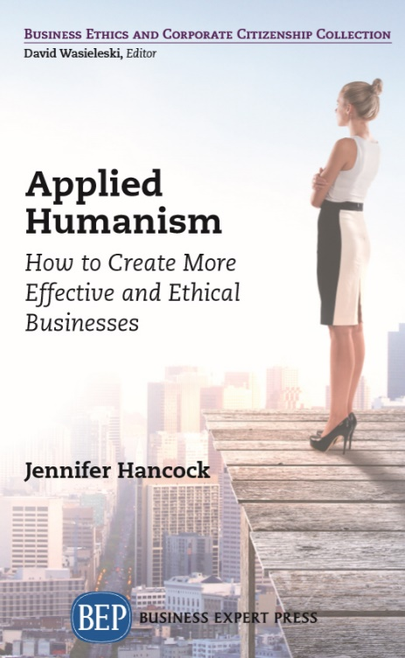
Produced by Jennifer Hancock - Get the book at: https://www.businessexpertpress.com/books/applied-humanism-how-to-create-more-effective-and-ethical-businesses/
Learn more abouit Humanism and Jennifer's other books at https://humanistlearning.com

Ethics Matters | by Jennifer Hancock - Founder Humanist Learning Systems (https://humanistlearning.com)
Values Taken from the 10 Humanist Commitments by the American Humanist Association Center for Education - https://americanhumanistcenterforeducation.org/ten-commitments/
https://americanhumanistcenterforeducation.org/wp-content/uploads/2020/07/10C-English-lo-600x600.jpg

Values | What it Means | Why it's Important | Example of what this looks like in practice | Status | Action steps you can take manifest this value | Desired Future Outcomes
Altruism | Altruism is the selfless concern for the welfare of other living beings without expectation of reward, recognition, or return.
Critical Thinking | Thinking critically allows us to make sense of all this information and reason our way to good judgments and effective solutions to the problems we face while rigorously avoiding pitfalls like rationalization, conformity, and stereotyping.
Empathy | Empathy means entering imaginatively into another’s situation in an attempt to understand their experience as though we are experiencing it ourselves.
Environmentalism | Just as we depend on the planet to sustain us with its precious resources, this planet’s ecosystems depend on us to be good stewards and take responsibility for the impact human activity has on our shared planet.
Ethical Development | The key to understanding ethical development is acknowledging that nobody is perfect or has all the answers. We should continually adapt and rebuild our moral frameworks with the goal of becoming ever better human beings.
Global Awareness | A true global awareness includes attention to both current and historical events, and acknowledges how we affect—and how we are affected by—the interconnected social, political, and economic systems in which we reside.
Humility | Humility means displaying modesty about accomplishments, talents, gifts, or importance of self. It acknowledges we humans are fallible and have limitations in what we know and can do.
Peace and Social Justice | We attain peace only by consistently responding to injustice through thoughtful conflict resolution that aims to repair harms and ensure a fair and equitable society moving forward.
Responsibility | Moral responsibility involves taking conscious ownership of one’s intentions and actions, and being accountable for the resulting consequences.
Service and Participation | Service and participation means putting values into action in ways that positively impact our communities and society as a whole.

About the Author
Jennifer Hancock

Jennifer Hancock is the author of several books, and founder of Humanist Learning Systems. Jennifer is unique in that she was raised as a freethinker and is one of the top speakers and writers in the world of humanism today. Her professional background includes stints in both the for-profit and non-profit sectors. She served as director of volunteer services for the Los Angeles SPCA, sold international franchise licenses for a biotech firm, was the manager of acquisition group information for a ½ billion-dollar company and served as the executive director for the Humanists of Florida. Shortly after her son was born, she published her first book, The Humanist Approach to Happiness: Practical Wisdom. Her speaking and teaching business coalesced into the founding of Humanist Learning Systems, which provides online personal and professional development training in humanistic business management and science-based harassment training that actually work | 
Learn more at: https://humanistlearning.com


Applied Humanism: How to Create More Effective and Ethical Businesses
Buy Book at https://www.businessexpertpress.com/books/applied-humanism-how-to-create-more-effective-and-ethical-businesses/
Desk / Exam Copy
I just finished reading, Applied Humanism. I loved its clarity and straightforwardness. In many ways the writing is deceptively simple: the concepts and their applications are universal in appeal yet subtle in their implications for living and working in today’s world. – Chris Lazlo, Professor of Organizational Behavior, Weatherhead School of Management, Case Western Reserve University, Cleveland, Ohio
You can’t understand humanistic business management unless you understand what humanism is. This book provides a short introduction to the philosophy of humanism and discusses how and why it is being applied to business and why it is so effective when you do so. Humanism helps us prioritize human value as important. It supports positive interpersonal relationships and collaborative and respectful decision-making. Since all businesses are in the business of solving problems, good problem solving is essential to good business.
Humanism has already transformed many other disciplines including psychology, medicine, nursing, and more. Additionally, humanism is foundational to the practice of human resources, without which businesses cannot operate. It is important for business managers to understand the philosophy fully so they can understand how to not only manage people more effectively, but how to operate their businesses in a way that helps the communities in which they operate. This book will provide the primer they need to create more effective and ethical businesses.
Collection: Business Ethics And Corporate Citizenship2019 Digital Library

