About the Author
Jennifer Hancock

Jennifer Hancock is the author of several books, and founder of Humanist Learning Systems. Jennifer is unique in that she was raised as a freethinker and is one of the top speakers and writers in the world of humanism today. Her professional background includes stints in both the for-profit and non-profit sectors. She served as director of volunteer services for the Los Angeles SPCA, sold international franchise licenses for a biotech firm, was the manager of acquisition group information for a ½ billion-dollar company and served as the executive director for the Humanists of Florida. Shortly after her son was born, she published her first book, The Humanist Approach to Happiness: Practical Wisdom. Her speaking and teaching business coalesced into the founding of Humanist Learning Systems, which provides online personal and professional development training in humanistic business management and science-based harassment training that actually work | 
Learn more at: https://humanistlearning.com

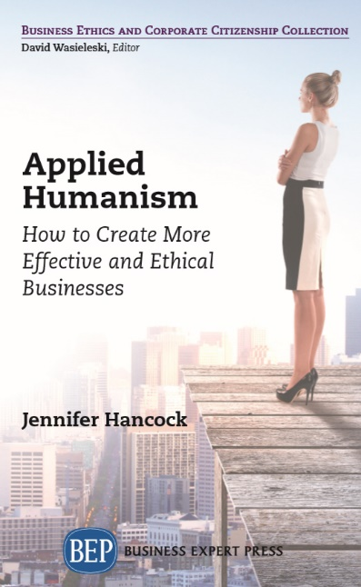
Applied Humanism: How to Create More Effective and Ethical Businesses
Buy Book at https://www.businessexpertpress.com/books/applied-humanism-how-to-create-more-effective-and-ethical-businesses/
Desk / Exam Copy
I just finished reading, Applied Humanism. I loved its clarity and straightforwardness. In many ways the writing is deceptively simple: the concepts and their applications are universal in appeal yet subtle in their implications for living and working in today’s world. – Chris Lazlo, Professor of Organizational Behavior, Weatherhead School of Management, Case Western Reserve University, Cleveland, Ohio
You can’t understand humanistic business management unless you understand what humanism is. This book provides a short introduction to the philosophy of humanism and discusses how and why it is being applied to business and why it is so effective when you do so. Humanism helps us prioritize human value as important. It supports positive interpersonal relationships and collaborative and respectful decision-making. Since all businesses are in the business of solving problems, good problem solving is essential to good business.
Humanism has already transformed many other disciplines including psychology, medicine, nursing, and more. Additionally, humanism is foundational to the practice of human resources, without which businesses cannot operate. It is important for business managers to understand the philosophy fully so they can understand how to not only manage people more effectively, but how to operate their businesses in a way that helps the communities in which they operate. This book will provide the primer they need to create more effective and ethical businesses.
Collection: Business Ethics And Corporate Citizenship2019 Digital Library

